Robotics List
LIST OF POTENTIAL CONSTRUCTION ROBOTICS BY OMNICLASS TABLE 21
Instructions: This is a list of potential robot solutions. Refer to omniclass activity to spot applicable robotics. (under development)
Construction Robots
Robot Name | Website | Image | Omniclass Table 21 or Additional Activity | Notes

Dusty | https://www.dustyrobotics.com/ | https://www.dustyrobotics.com/ | Layout
Rugged | https://rugged-robotics.com/ | https://rugged-robotics.com/ | Layout
HP SitePrint | https://www.hp.com/us-en/printers/site-print/layout-robot.html | https://www.hp.com/us-en/printers/site-print/layout-robot.html | Layout
Canvas | https://www.canvas.build/ | https://www.canvas.build/ | 03 10 10 Interior Partitions | Drywall finishing.
Okibo | https://okibo.com/ | https://okibo.com/ | 03 10 10 Interior Partitions | Drywall finishing.
Toggle | https://toggle.is/ | https://toggle.is/ | 01 40 20 Structural Slab On Grade 02 10 10 Floor construction, etc. | Fabricate rebar cage by robotics off-site and transport to sites.
Civ-Robotics | https://www.civrobotics.com/ | https://www.civrobotics.com/ | Layout(outdoor)
Tiny Surveyor | https://www.monsenengineering.com/survey/tinysurveyor/ | https://www.monsenengineering.com/survey/tinysurveyor/ | Layout(outdoor)
Raise Robotics | https://raiserobotics.ai | 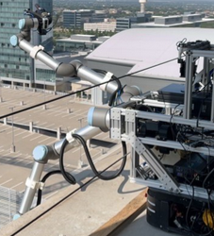 https://raiserobotics.ai/portfolio/ | 02 20 10 Exterior Walls | Mostly for installing anchors for curtain walls.

